weather data
It is believed that hot and dry (should be humid > high rainfall ) conditions are more favorable for West Nile virus than cold and wet.
Station 1: CHICAGO O'HARE INTERNATIONAL AIRPORT Lat: 41.995 Lon: -87.933 Elev: 662 ft. above sea level
Station 2: CHICAGO MIDWAY INTL ARPT Lat: 41.786 Lon: -87.752 Elev: 612 ft. above sea level

problem: a lot of missing values for station 2

Cleaning on weather : 1.impute station 2 missing values A: Dealing with 'T:Trace' A: Drop :Water1, Snow, Depth 3. created a new cols : daylights 4. columns to keep : 'Tavg','StnPressure','WetBulb','PrecipTotal','Date','Sunrise','Sunset','ResultSpeed','Station'
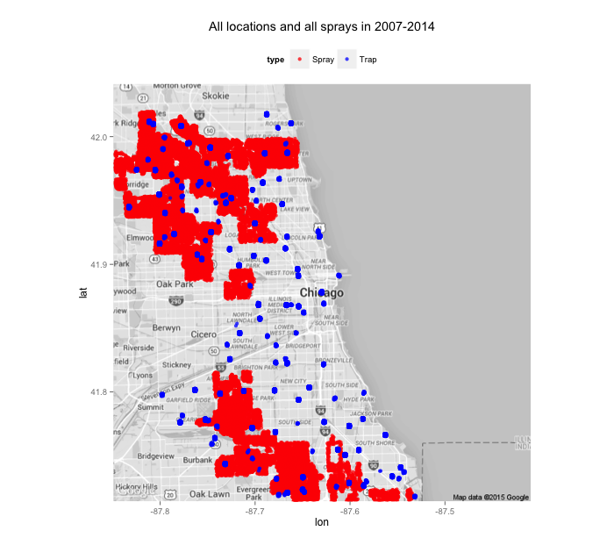

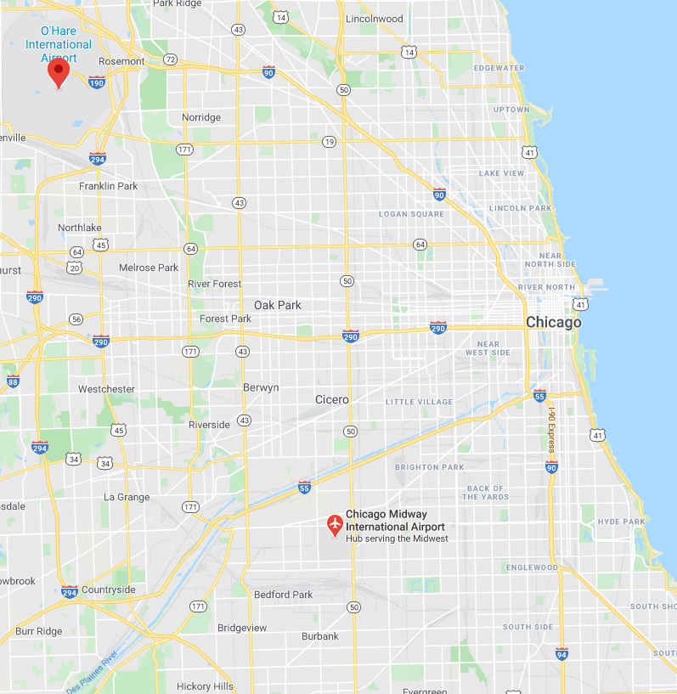

depart: Temperature departure from the normal indicates if the dekadal average temperatures were above or below the 30-year normal. It is calculated for each grid cell by subtracting the average air temperature estimated by AFWA from the 30-year normal
Heat/ Cool: difference from mean
M: missing data
T: Trace (greater than 0 but too small to be measured by standarad units) https://en.wikipedia.org/wiki/Trace_(precipitation)
wetbulb: Wet Bulb Temperature (WBT in short) is a measure of how much moisture or water vapour is present in the air The difference between the dry bulb temperature (AKA normal temperature, DBT in short) and this determines how much dry the air is. If DBT-WBT is large, then the air has lower relative humidity

